ZDT1
default generation | 200 | true HV | 0.66616012487

Parameter Settings:
Algorithm: NSGAII (algorithm was free to run 500 generations)
significance value (α) =0.05
nPreGen = 30
nGenUnchanged = 10 (last 10 generations, we donot have significance difference; last 10 generations, p values are greater than 0.05)
run # | terminate generation | Evalution saves | HV_d - HV_t | HV percentage | Eps_d-Eps_t
0 | 170 | 3000 | 0.001852370722 | 0.98523989605 | -8.20E-04
1 | 137 | 6300 | 0.0075097155894 | 0.97719806469 | -0.0036281739878
2 | 181 | 1900 | 0.0015360055798 | 0.98624598172 | 0.0045989107834
3 | 126 | 7400 | 0.0076036266628 | 0.97670172489 | -0.0046405229793
4 | 125 | 7500 | 0.011298527784 | 0.97032666845 | -0.0010926191402
terminal generation: generetaion number(t^{th}) in which algorithm terminates
Evalutaion saves: (default generation - termination generation)*population size
HV_d - HV_t: Hypervolume (defalut generation) - Hypervolume (ternimation generation)
HV percentage: Hypervolume (terminal generation)/true Hypervolume
Eps_d - Eps_t: Epsilon (defalut generation) - epsilon (ternimation generation)
5 | 148 | 5200 | 0.0031142204505 | 0.98349052379 | -0.0038592048051
6 | 126 | 7400 | 0.0070615886354 | 0.97771298902 | -0.0052609140309
7 | 122 | 7800 | 0.008515537995 | 0.97450978123 | -0.0034882202136
8 | 133 | 6700 | 0.0069976495086 | 0.97860156174 | -0.0037796113036
9 | 131 | 6900 | 0.0062666107527 | 0.97807194771 | -0.0023133702247
10 | 138 | 6200 | 0.0056383760328 | 0.97965955248 | -0.0055167273454
11 | 131 | 6900 | 0.0082053388869 | 0.9753950221 | -0.0056387585043
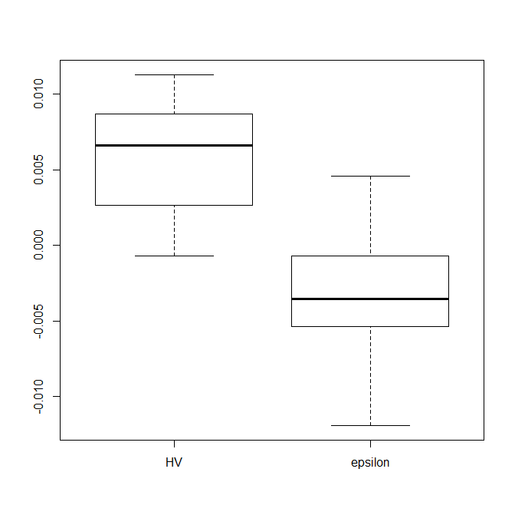
12 | 156 | 4400 | 0.0020650074254 | 0.98559468543 | 0.0015256660667
13 | 116 | 8400 | 0.0093690177927 | 0.97464527894 | -0.0069065711255
14 | 120 | 8000 | 0.0093933548536 | 0.97418409945 | -0.0053800626783
15 | 207 | -700 | -6.78E-04 | 0.98776643867 | 0.0010149237932
16 | 158 | 4200 | 0.0036194612504 | 0.9829848135 | -6.41E-04
17 | 131 | 6900 | 0.010849265196 | 0.97186481515 | -0.011920192462
18 | 163 | 3700 | 0.002627288831 | 0.98420675611 | -6.98E-04
19 | 170 | 3000 | 0.0019819907418 | 0.9862832942 | 1.54E-04
20 | 134 | 6600 | 0.0083530661835 | 0.97491225223 | -0.0031674641037
21 | 122 | 7800 | 0.0086726047451 | 0.97567121067 | -0.0043057009789
22 | 127 | 7300 | 0.010145042515 | 0.97210775235 | -0.0040151606949
23 | 155 | 4500 | 0.0036900917603 | 0.98288081362 | -0.0017889285666
24 | 123 | 7700 | 0.010724069812 | 0.97209638167 | -0.0068941063092
25 | 121 | 7900 | 0.010115846807 | 0.9724542537 | -0.0075661382731
26 | 162 | 3800 | 0.0032592897764 | 0.98291567104 | -0.0053906713813
27 | 174 | 2600 | 0.0013239500579 | 0.98691499078 | 0.0018114772385
28 | 142 | 5800 | 0.0048615162153 | 0.98085356654 | -0.0011187980762
29 | 203 | -300 | 1.65E-04 | 0.98782824575 | 0.0016062796969
 | total save evaluations | 164800 | average HV percentage | 0.97931063445

ZDT2
default generation | 200 | true HV | 0.33283355942
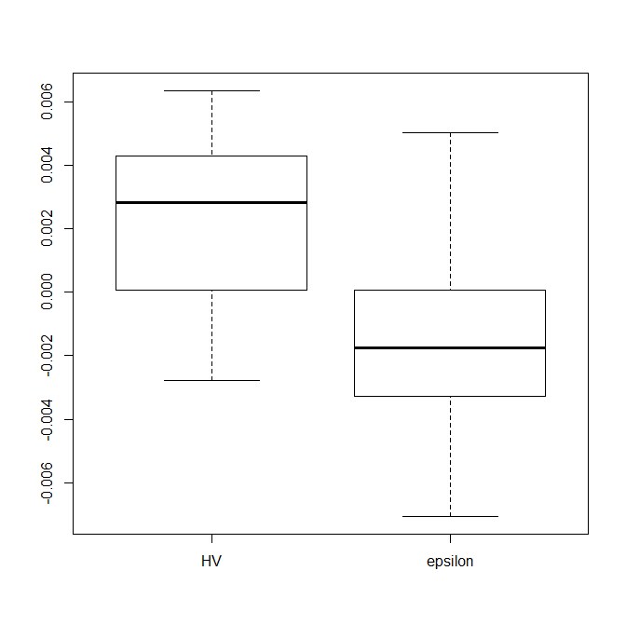
run # | terminate generation | Evalution saves | HV_d - HV_t | HV percentage | Eps_d-Eps_t
0 | 198 | 200 | 7.47E-05 | 0.97159560646 | -8.10E-04
1 | 153 | 4700 | 0.0043169266099 | 0.96538647192 | 0.0011177611943
2 | 145 | 5500 | 0.0050608745598 | 0.96183665567 | -0.0032857375678
3 | 208 | -800 | -0.0010922590688 | 0.97558134181 | -0.0021183220239
4 | 158 | 4200 | 0.0036436416064 | 0.96086694052 | -0.0018999241953
5 | 292 | -9200 | -0.0027925113231 | 0.98320660922 | 0.0019119309981
6 | 151 | 4900 | 0.0063749054886 | 0.95568934124 | -0.0070782432187
7 | 159 | 4100 | 0.0032143078671 | 0.96478230399 | -0.0020304782157
8 | 176 | 2400 | 0.0013563988883 | 0.97032986484 | -0.0024605847341
9 | 165 | 3500 | 0.0051581863057 | 0.9578917668 | -0.0040997083396
10 | 166 | 3400 | 0.0037370758305 | 0.96182592073 | -0.0028174380992
11 | 160 | 4000 | 0.0048621349158 | 0.95746058606 | -0.005593859609
12 | 170 | 3000 | 0.0023467572198 | 0.9669882565 | 0.0022675628622
13 | 183 | 1700 | 0.0014857741485 | 0.96981016044 | -9.07E-04
14 | 151 | 4900 | 0.004794849977 | 0.9648932607 | -0.0045720977475
15 | 170 | 3000 | 0.0024255843815 | 0.96661114135 | -0.002701666822
16 | 166 | 3400 | 0.0032854348837 | 0.96510915575 | -0.0032667375157
17 | 168 | 3200 | 0.0019537017195 | 0.96848250034 | 5.83E-05
18 | 219 | -1900 | -9.84E-04 | 0.97912734475 | -1.72E-04
19 | 223 | -2300 | -0.0012674658412 | 0.97649858819 | -9.58E-04
20 | 195 | 500 | -5.07E-06 | 0.97330613213 | 9.06E-04
21 | 169 | 3100 | 0.0032648295982 | 0.96465437889 | -0.0054431932952
22 | 149 | 5100 | 0.0060169173068 | 0.95535365437 | -0.003540351114
23 | 179 | 2100 | 0.0022209711938 | 0.96664861909 | -0.0036472321049
24 | 146 | 5400 | 0.0049821713228 | 0.95888900395 | 0.0026832081451
25 | 163 | 3700 | 0.0038919351076 | 0.96280303378 | -3.53E-04
26 | 155 | 4500 | 0.0038773269189 | 0.96267916318 | 2.60E-04
27 | 201 | -100 | -6.07E-05 | 0.974748498 | 0
28 | 217 | -1700 | -8.55E-04 | 0.97819235535 | 0.005038256389
29 | 167 | 3300 | 0.0020996297081 | 0.96918232788 | -0.0016033839187
 | total save evaluations | 67800 | average HV percentage | 0.96701436613

 |  |  | -0.0027925113231 |  | -7.08E-03 | -7.08E-03
 |  |  | 0.00039509089179 |  | -0.0033493909543 | -0.0033493909543
 |  |  | 0.0028199461243 |  | -1.75E-03 | -0.001751654057
 |  |  | 0.0042106787344 |  | 0.0001087121472 | 0.0001087121472
 |  |  | 0.0063749054886 |  | 5.04E-03 | 5.04E-03

 |  |  | 0 |  | 0
 |  |  | -0.0027925113231 |  | 7.08E-03
 |  |  | 0.0031876022149 |  | -3.73E-03
 |  |  | 0.0024248552325 |  | -1.60E-03
 |  |  | 0.00139073261 |  | -1.86E-03
 |  |  | 0.0021642267543 |  | -4.93E-03

ZDT3
default generation | 200 | true HV | 0.51719187155

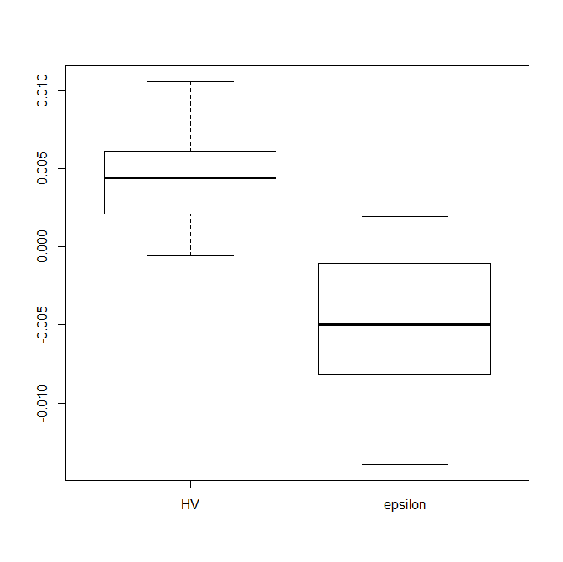
run # | terminate generation | Evalution saves | HV_d - HV_t | HV percentage | Eps_d-Eps_t
0 | 162 | 3800 | 0.0018802354464 | 0.98931709737 | -0.0012119754076
1 | 184 | 1600 | 7.84E-04 | 0.99156408974 | -0.0059026780994
2 | 191 | 900 | 5.85E-04 | 0.99206595233 | 0.001318360559
3 | 185 | 1500 | 5.24E-04 | 0.99173192026 | -0.001676740387
4 | 125 | 7500 | 0.0067497848917 | 0.97997333692 | -0.010142672573
5 | 115 | 8500 | 0.0082823867937 | 0.97788748244 | -0.012517411532
6 | 145 | 5500 | 0.003065241844 | 0.9869282503 | 0.0019154975424
7 | 141 | 5900 | 0.005513228601 | 0.98203671689 | -0.0069997041873
8 | 214 | -1400 | -5.64E-04 | 0.99443423661 | -3.26E-04
9 | 153 | 4700 | 0.0034490972824 | 0.98648387281 | -0.0026419898659
10 | 118 | 8200 | 0.0093172120775 | 0.97558054836 | -0.013954769173
11 | 149 | 5100 | 0.0045661650065 | 0.98343931618 | -0.0048550550645
12 | 138 | 6200 | 0.0049398186135 | 0.98389345352 | -0.0050990232071
13 | 138 | 6200 | 0.0043038796485 | 0.98523188392 | -0.0017819612864
14 | 132 | 6800 | 0.0075223760672 | 0.97759290492 | -0.011371158192
15 | 156 | 4400 | 0.0021076597377 | 0.98888881526 | 3.92E-04
16 | 187 | 1300 | 3.48E-04 | 0.99241921047 | -0.0013571533176
17 | 149 | 5100 | 0.0034285597305 | 0.98579809142 | -2.60E-04
18 | 139 | 6100 | 0.0058810748755 | 0.98157960488 | -0.0057224645484
19 | 120 | 8000 | 0.010604633809 | 0.9723000179 | -0.0088889988539
20 | 141 | 5900 | 0.006120821547 | 0.98117391648 | -0.0058806215827
21 | 148 | 5200 | 0.002870429159 | 0.98808688157 | -0.0025924143532
22 | 131 | 6900 | 0.0059194572156 | 0.98154909228 | -0.0066292179251
23 | 143 | 5700 | 0.0072759723635 | 0.97573998642 | -0.010078287594
24 | 130 | 7000 | 0.0055412857837 | 0.98379870847 | -0.0063987936206
25 | 128 | 7200 | 0.00562990342 | 0.9824503943 | -0.0081884611163
26 | 199 | 100 | 7.15E-05 | 0.99209950654 | -8.63E-04
27 | 128 | 7200 | 0.0071396678061 | 0.97859056173 | -0.0082549595578
28 | 158 | 4200 | 0.0022781408499 | 0.98776943106 | -0.0010895993018
29 | 144 | 5600 | 0.0039793132356 | 0.98518815741 | -7.00E-04
 | total save evaluations | 150900 | average HV percentage | 0.98451978129

 |  |  | -0.00056410577858 |  | -0.013954769173
 |  |  | 0.0021502800158 |  | -0.007891271884
 |  |  | 0.0044350223275 |  | -0.0049770391358
 |  |  | 0.0060704804641 |  | -0.0011201933282
 |  |  | 0.010604633809 |  | 0.0019154975424

 |  |  | 0 |  | 0
 |  |  | -0.00056410577858 |  | -0.013954769173
 |  |  | 0.0027143857943 |  | 0.0060634972894
 |  |  | 0.0022847423117 |  | 0.0029142327483
 |  |  | 0.0016354581366 |  | 0.0038568458076
 |  |  | 0.0045341533449 |  | 0.0030356908706

ZDT4
default generation | 200 | true HV | 0.66617361728
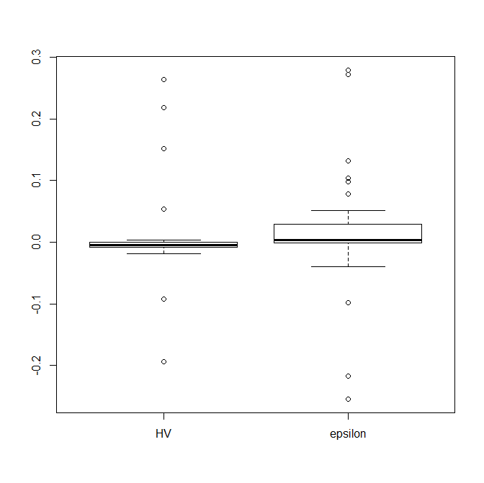
run # | terminate generation | Evalution saves | HV_d - HV_t | HV percentage | Eps_d-Eps_t
0 | 232 | -3200 | -0.0019335566884 | 0.98682220135 | 0.0040554145518
1 | 337 | -13700 | -0.19305555926 | 0.98933079922 | 0.27959593507
2 | 224 | -2400 | -0.0022472661273 | 0.98738170699 | -1.87E-04
3 | 217 | -1700 | -0.005420274852 | 0.98460406118 | -3.26E-04
4 | 131 | 6900 | 0.21871601697 | 0.65121565787 | -0.25458930937
5 | 147 | 5300 | 0.26331341451 | 0.58970333906 | -0.21675477052
6 | 270 | -7000 | -0.0084107155664 | 0.9828430147 | 0.029166493834
7 | 265 | -6500 | -0.01328599092 | 0.98488393454 | 0.10429765106
8 | 232 | -3200 | -0.0052226920804 | 0.97910640503 | 0.004371515896
9 | 142 | 5800 | 0.053252539172 | 0.87433411502 | -0.039194909668
10 | 259 | -5900 | -0.0039918074333 | 0.98163522562 | 0.0019191048754
11 | 234 | -3400 | -0.0059214307512 | 0.97788124107 | -0.0060679295347
12 | 303 | -10300 | -0.0067165485437 | 0.98562733995 | 0.0039748435612
13 | 276 | -7600 | -0.0019717473625 | 0.99056770537 | 0.0057916706645
14 | 252 | -5200 | -0.0056921168752 | 0.9736070392 | 0.0042894481461
15 | 261 | -6100 | -0.013324473698 | 0.98666009635 | 0.078711482512
16 | 224 | -2400 | -1.29E-04 | 0.98669737484 | 0.0014486254409
17 | 393 | -19300 | -0.016668643316 | 0.98938511006 | 0.098627864802
18 | 203 | -300 | 9.53E-05 | 0.98624755148 | 0
19 | 180 | 2000 | 0.15164194167 | 0.72341224684 | -0.097910468118
20 | 224 | -2400 | -0.0082325675279 | 0.95547173551 | 0.0047719312586
21 | 213 | -1300 | -0.0013795719247 | 0.97873013078 | 0.002104768934
22 | 205 | -500 | -1.69E-04 | 0.98046776817 | -5.51E-04
23 | 182 | 1800 | 0.0035423252827 | 0.96827604586 | -7.61E-04
24 | 228 | -2800 | -0.0010598096132 | 0.98228306137 | 0.0052323261748
25 | 328 | -12800 | -0.017963018864 | 0.99038113766 | 0.13196065214
26 | 278 | -7800 | -0.016276647201 | 0.98979603456 | 0.051836604315
27 | 185 | 1500 | 5.40E-04 | 0.98524398271 | -0.0018003904532
28 | 269 | -6900 | -0.0066104680526 | 0.98637684484 | 0.0066104754298
29 | 297 | -9700 | -0.091487390001 | 0.9845289028 | 0.27240253349
 | total save evaluations | -119100 | average HV percentage | 0.94645006033

ZDT6
default generation | 200 | true HV | 0.40590724234
Average Hausdroff Distance for run # 1
 | 0.17156754132
 | 0.20204710453
 | 0.08956558868
 | 0.1081294178
 | 0.09682779166
 | 0.10086447661
 | 0.51020747528
 | 0.42786826314
 | 0.32428357014
 | 0.40038366961
 | 0.13537824486
 | 0.18591112635
 | 0.1902658613
 | 0.40809719888
 | 0.0078597262531
 | 0.47878180614
 | 0.29138796015
 | 0.098562690682
 | 0.33402412638
 | 0.30906755179
 | 0.29513435767
 | 0.086292389553
 | 0.1466247131
 | 0.087274701017
 | 0.015975826642
 | 0.078923843198
 | 0.055791479143
 | 0.22725246247
 | 0.033660729008
 | 0.083521192726
 | 0.11837059623
 | 0.00689943127
 | 0.0084518622464
 | 0.11247295128
 | 0.21077111937
 | 0.082969604918
 | 0.06797210016
 | 0.19065482053
 | 0.19762441704
 | 0.0061943751927
 | 0.056752028964
 | 0.12027486347
 | 0.084394088092
 | 0.068737358034
 | 0.13817620829
 | 0.12257404238
 | 0.054653496692
 | 0.096626499378
 | 0.088679390565
 | 0.06214116638
...
run # | terminate generation | Evalution saves | HV_d - HV_t | HV percentage | Eps_d-Eps_t
0 | 219 | -1900 | -0.0075461533184 | 0.94267934037 | 0.0038198108155
1 | 60 | 14000 | 0.37754705062 | 0 | -1.2142214752
2 | 141 | 5900 | 0.068153197654 | 0.75387175903 | -0.070074214959
3 | 246 | -4600 | -0.01067023631 | 0.95997457062 | 0.0093640710508
4 | 69 | 13100 | 0.37289156229 | 0 | -1.184035023
5 | 98 | 10200 | 0.23041701319 | 0.36151981906 | -0.34271872271
6 | 500 | -30000 | -0.019963097922 | 0.98119617821 | 0.015468845674
7 | 171 | 2900 | 0.022276921921 | 0.85948885488 | -0.020143485316
8 | 231 | -3100 | -0.01129148989 | 0.94325203554 | 0.014505734974
9 | 229 | -2900 | -0.0094991580201 | 0.94868092647 | 0.0089788680185
10 | 230 | -3000 | -0.014960919694 | 0.93353581905 | 0.015916220752
11 | 103 | 9700 | 0.2235306289 | 0.36979884545 | -0.31100727658
12 | 158 | 4200 | 0.044344170711 | 0.82152337608 | -0.050674695338
13 | 134 | 6600 | 0.084834102632 | 0.72709657301 | -0.085323927217
14 | 303 | -10300 | -0.023869376439 | 0.97260637256 | 0.015645896909
15 | 172 | 2800 | 0.019585690169 | 0.86583145436 | -0.023754180001
16 | 62 | 13800 | 0.37039851749 | 0 | -1.0669264343
17 | 387 | -18700 | -0.02051406809 | 0.98099632196 | 0.016243311531
I expect that this one should be terminated around 180th generation but this is terminated at 60th generaton. I am struggling to detect this early cervegence. Any sugesstions?
18 | 88 | 11200 | 0.28453815487 | 0.21048115007 | -0.4630118008
19 | 58 | 14200 | 0.36805320076 | 0 | -1.6985467624
20 | 75 | 12500 | 0.36981182124 | 0 | -0.94912546798
21 | 56 | 14400 | 0.37457893498 | 0 | -1.8043002581
22 | 215 | -1500 | -0.0066560521353 | 0.92674014164 | 0.013363602419
23 | 121 | 7900 | 0.18364920481 | 0.45494727907 | -0.25131193832
24 | 90 | 11000 | 0.3000630456 | 0.18692930886 | -0.48756962262
25 | 204 | -400 | -0.0017782357426 | 0.92213591513 | 0
26 | 192 | 800 | 0.0040416300756 | 0.91198864494 | -2.61E-04
27 | 77 | 12300 | 0.37152537492 | 0.003161227721 | -0.74697105234
28 | 251 | -5100 | -0.01633011134 | 0.95280765997 | 0.018625747914
29 | 97 | 10300 | 0.25116479447 | 0.30350775947 | -0.38463177905
 | total save evaluations | 96300 | average HV percentage | 0.57649171112

DTLZ2
default generation | 300 | true HV | 0.4678358365

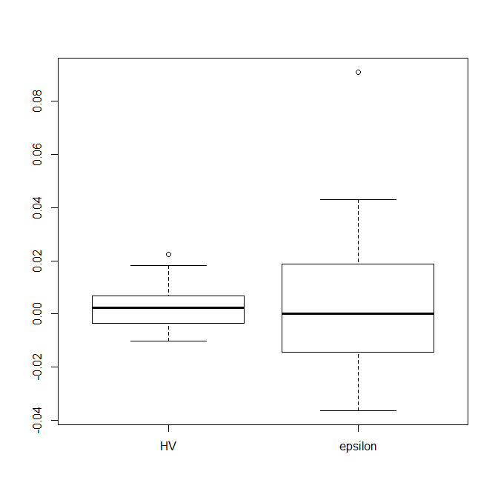
run # | terminate generation | Evalution saves | HV_d - HV_t | HV percentage | Eps_d-Eps_t
0 | 89 | 21100 | 0.0068285377204 | 0.77436499113 | -0.036535029672
1 | 106 | 19400 | -0.0017812430264 | 0.80217779861 | 0.0014675506133
2 | 86 | 21400 | 0.011504166282 | 0.78152855065 | -0.0023010561786
3 | 90 | 21000 | 0.011572654087 | 0.7832176575 | -0.029082730606
4 | 128 | 17200 | -0.010324301892 | 0.80025739804 | 0.033547020427
5 | 95 | 20500 | 0.022315629905 | 0.75759963953 | -0.027226830001
6 | 102 | 19800 | -0.003942757298 | 0.8012318885 | 0.014715307731
7 | 91 | 20900 | -0.0040819936154 | 0.79194705169 | 0.026752615165
8 | 87 | 21300 | 0.0041944340654 | 0.79530925415 | 0.043015006239
9 | 122 | 17800 | 0.0059855492427 | 0.78810417447 | -0.012398493184
10 | 118 | 18200 | -0.0015205760526 | 0.80032482723 | -0.011238123454
11 | 154 | 14600 | 0.0044242145473 | 0.78077267073 | -0.0064259516687
12 | 112 | 18800 | -0.005068687186 | 0.80675927126 | -0.015040684506
13 | 89 | 21100 | 0.018312966317 | 0.77401768602 | 0.0011710418563
14 | 97 | 20300 | 0.0059543645754 | 0.79860732101 | -0.018614187587
15 | 94 | 20600 | 0.0021065040861 | 0.78588580916 | -0.02117793375
16 | 145 | 15500 | -0.0077039082267 | 0.81797164146 | 0.0029152638895
17 | 154 | 14600 | 5.18E-04 | 0.79508273592 | 0.091143764287
18 | 120 | 18000 | -0.002172317144 | 0.78623598073 | 0.029163089003
19 | 129 | 17100 | 0.0061742529562 | 0.79438614595 | -7.35E-04
20 | 95 | 20500 | 0.0025287619074 | 0.79483843927 | -0.014474323063
21 | 90 | 21000 | 0.0089431685973 | 0.7841174871 | -0.014666085283
22 | 95 | 20500 | -0.006545854942 | 0.80530128833 | 0.0054873279349
23 | 97 | 20300 | -2.92E-04 | 0.80455695305 | 0.03329284945
24 | 91 | 20900 | 0.008727964879 | 0.77124397618 | 0.018729859539
25 | 139 | 16100 | -0.0029188587125 | 0.80702273296 | 0.0023295079613
26 | 109 | 19100 | 0.0024004872731 | 0.78954839198 | -0.0082099722133
27 | 131 | 16900 | -0.0038477795431 | 0.80896085794 | 0.0077431777921
28 | 132 | 16800 | -0.0034616340062 | 0.79679322875 | 0.038305146469
29 | 81 | 21900 | 0.015682073592 | 0.77002016574 | -0.012174016545
 | total save evaluations | 573200 | average HV percentage | 0.7916062005

